1. Title Page
Instacart Basket Analysis

Project Name: Instacart Basket Analysis 26-07-23
Date: 27-09-23
Analyst Name: Matthew Graham

Contents:
Population Flow
Consistency checks
Wrangling steps
Column derivations
Visualizations
Recommendations

2. Population Flow
Title page

Population flow

Exclusion flag
Condition: max_order <
Obervations to be removed:
Final total count of order_products_all:

Orders_products_combined
Orders_products_merged
Orders_products_all

Total: 32404859
Total:32434489
Total: 32404859

1.) The grey boxes in the first row of the population flow represent the original data sets as they were when you downloaded them. In the Total fields you need to add the count of the rows when you imported the data set into Jupyter.
2.) The second row of boxes (coloured) represents the data sets after you manipulated them, e.g., removed missing values and duplicates. In the Total fields you need to add the count of the rows after conducting these operations. This offers a visual oveview of how the data flows throughout the data consistency checks.
3.) The third row, where also the arrows are coloured, represents the merges you performed between the datasets. In the Total fields you need to add the count of the rows in the merged datasets, so that you end up with the final dataset (in the red box). Keep in mind the final dataset should be without exclusions (based on the exclusion flag).

3. Consistency checks
 |  |  |  |  | Title page
Consistency checks

Dataset | Missing values | Missing values treatment | Duplicates
orders | 0 | n/a | 0 | Note: there were missing values within a single column of the orders dataset. However, those missing values are first time customers so the null values are not true missing values
products | 16 | remove missing values | 5
orders_products_prior | 0 | n/a | 0
customers | 0 | n/a | 0

4. Wrangling steps
 |  |  |  | Title page
Wrangling steps

Columns dropped | Columns renamed | Columns' type changed | Comment/Reason
eval_set | order_dow = orders_day_of_week | n/a | eval set removed due extraneous information; order_dow renamed for clarity

First Name; Surnam | n_dependents = number_dependents fam_status = family_status STATE = State income = Income | n/a | name columns removed for privacy columns renamed for clarity and consistency

5. Column derivations
 |  |  |  | Title page

Column derivations and aggregations

In this tab you should add tables below that the frequences of flags/label variables that you produced after deriving them. NB: don't do this for continuous variables, only for flags.
Dataset | New column | Column/s it was derived from | Conditions
order products merged | busiest_days | orders_day_of_week | new_result = [] for value in ords_prods_merge["orders_day_of_week"]: if value == 0 or value == 1: new_result.append("Busiest days") elif value == 4 or value == 3: new_result.append("Least busy") else: new_result.append("Regularly busy")
order products merged | busiest_period_of_day | order_hour_of_day | hour_result = [] for value in ords_prods_merge["order_hour_of_day"]: if value in [10, 11, 14, 15, 13, 12, 16, 9]: hour_result.append("Most orders") elif value in [17, 8, 18, 19, 20, 7, 21, 22]: hour_result.append("Average orders") else: hour_result.append("Least orders")
order products merged | loyalty_flag | max_order | ords_prods_merge.loc[ords_prods_merge['max_order'] > 40, 'loyalty_flag'] = 'Loyal customer' ords_prods_merge.loc[(ords_prods_merge['max_order'] <= 40) & (ords_prods_merge['max_order'] > 10), 'loyalty_flag'] = 'Regular customer' ords_prods_merge.loc[ords_prods_merge['max_order'] <= 10, 'loyalty_flag'] = 'New customer'
order products merged | spender_flag | average_order_price | ords_prods_merge.loc[ords_prods_merge['average_order_price'] >= 10, 'spender_flag'] = 'High spender' ords_prods_merge.loc[ords_prods_merge['average_order_price'] < 10, 'spender_flag'] = 'Low spender'
order products merged | order_frequency_flag | order_frequency_median | ords_prods_merge.loc[ords_prods_merge['order_frequency_median'] > 20, 'order_frequency_flag'] = 'Non-frequent customer' ords_prods_merge.loc[(ords_prods_merge['order_frequency_median'] <= 20) & (ords_prods_merge['order_frequency_median'] > 10), 'order_frequency_flag'] = 'Regular customer' ords_prods_merge.loc[ords_prods_merge['order_frequency_median'] <= 10, 'order_frequency_flag'] = 'Frequent customer'

6. Visualizations
 |  |  |  | Title page

Visualisations

In this tab you should include all the visualtions from Exercises 4.9 and 4.10, alongside the questions from the project brief that they answer. Include any commentary on the relationship between different variables.



 |  |  | This graph showcase the incomes vs ages. There is a major threshold at 40 years and onwards of more individuals having significantly increased income. We see that no individual younger than 40 has an income above $400,000 while there are a signifcant amount of indivudals with incomes above $400,000. Another major difference is again that there are significantly more individuals over 40 with incomes between $200,000 and $300,000.

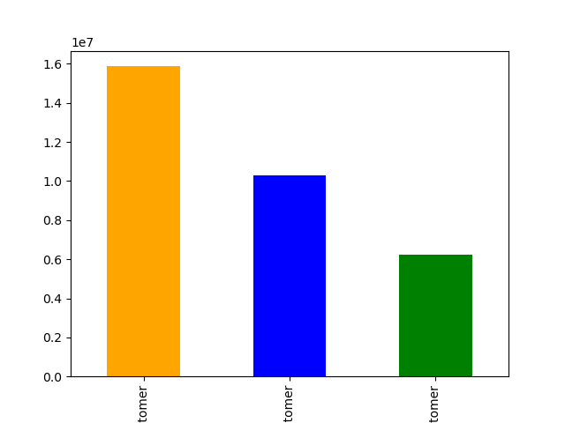

 |  |  | This graph showcases that there are more rgular customers than loyal customers. It also showcases that there are more loyal customers than new customers

Regular Customer | Loyal Customer | New Customer
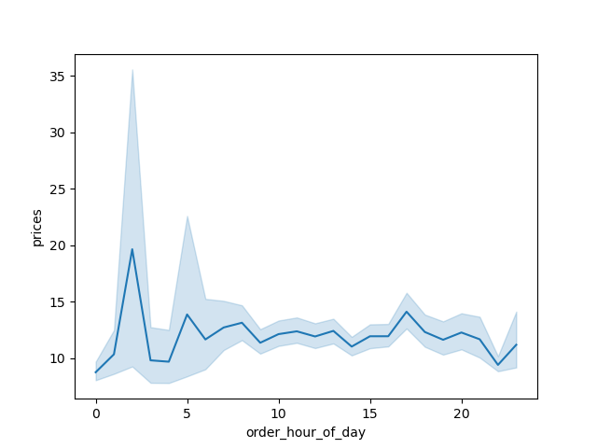

 |  |  | This graph showcases the average price of an order bought during a certain hour. There are 2 major findings. First, the early hours of the day, from midnight to 6 AM, has a lot fo variance in price per order. The second observation is that 10 AM has a low price per order. More research would need to be done to understand this discrepancy.



 |  |  | This graph showcases the number of orders per day of the week. Each day is numbered 0 to 6 where 0 is Sunday and 6 Is Saturday.



 |  |  | This graph showcase the frequency of orders at each hour of the day. From the graph, we see that many orders are placed starting around 10 AM to 5 PM



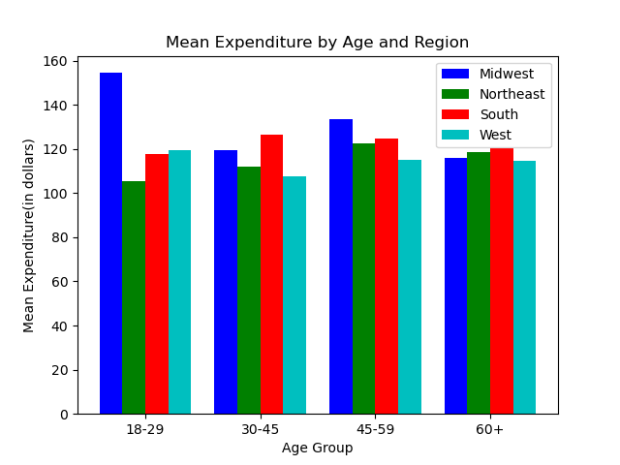

 |  |  | This graph is mean expenditure per order by age and region. We see that people in the midwest and younger than 30 spend siginificantly more than any other region or age group.

 |  |  | This visualization shows that department ids 10, 18, and 21. Department id 10 is personal care, department 18 is snacks, and department 21 is missing

7. Recommendations
 |  | Title page

Recommendations

In this tab you should include any recommendations you would made to Instcart in terms of their marketing strategy based on the questions posed in the brief. Every key question has been covered in the Tasks of the Exercises - here you need to add an item - a visualisation or table/crosstable that is showing the answer in the data, acompanied by a comment from you. Please, list the questions below and add the answer underneath.

Question | Answer
Busiest Times and Days? | The busiest days are Sunday and Monday. The busiest hours are 10 am to 5 pm
What times are expenditures highest? | The time with highest expenditure is the early morning hours of midnight to 6 am
Are there certain types of products that are more popular than others? | The personal care and snacks departments had the highest mean orders
Are there differences in ordering habits based on a customer’s region? | We see that individuals under 30 in the Midwest spend siginificantly more than other age groups and other regions.

